Manual
Carbon ReConer© Soil Recipe Design Tool

Step by Step Guidance
1. To design your ReCon Soil Recipes, go to the ‘CarbonReConer©Design’ tab. You can design a maximum of 5 soil recipes, and in each recipe you can select a maximum of 6 component materials. There are 31 component materials available.
2. To design your first ReCon Soil Recipe, go to ‘ReCon Soil Recipe 1’.
3. Under ‘Component Materials’, click the cell and click , then select one component material from the drop-down menu.
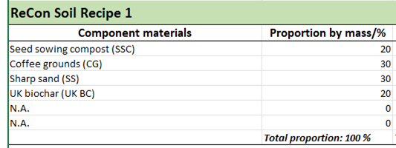 4. Under the ‘Proportion by mass/%’, click the cell and click , then select the associated proportion value from the drop-down menu. e.g. If you would like to include 20% Seed sowing compost (SSC) in your recipe, ‘20’ should be selected from the drop-down menu. Note: The proportions of all component materials should sum to 100%.
5. Under the ‘Moisture content/%’, click the cell and click , then select the associated moisture content. If a component material is devoid of moisture, then the moisture content should be set to zero. For example, if the Seed sowing compost (SSC) has a moisture content of 40%, ‘40’ should be selected from the drop-down menu.
6. Repeat step 3 – 5 for the rest of the component materials. If less than 5 materials are used, 'N.A.' should be selected where no component material is used, and both the 'Propotion by mass/%' and 'Moisture content/%' should be set to zero. Double check if the proportions of all component materials sum to 100%.
7. To create more soil recipes, go to ‘ReCon Soil Recipe 2’, ‘ReCon Soil Recipe 3’, ‘ReCon Soil Recipe 4’ and ‘ReCon Soil Recipe 5’. Repeat step 3 – 6. You can design a maximum of 5 soil recipes.
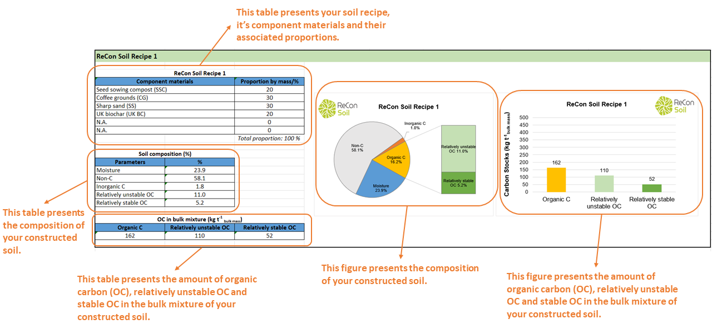 8. To view the carbon stability results of your soil recipes, go to the ‘CarbonReConer©Results’ tab. The results generated are: 1) the soil recipe, it’s component materials and their associated proportions (in table format); 2) the composition of the constructed soil (in both table and pie chart formats); 3) the amount of organic carbon (OC), relatively unstable OC and stable OC in the bulk mixture of the constructed soil (in both table and bar chart formats).

CarbonReConer©Results
CarbonReConer© Soil Recipe Design Tool

ReCon Soil Recipes - Carbon Stability Summary

ReCon Soil Recipe 1

ReCon Soil Recipe 1
ReCon Soil Recipe 1
ReCon Soil Recipe 1
Component materials |  | Proportion by mass/%
UK green waste compost (UK GWC) |  | 25
Topsoil (20mm screened) (STS) |  | 30
Greenworld Green waste compost (GW GWC) |  | 12
Sub soil peat (SSP) |  | 21
Factor X-charcoal dust/biochar (FXBC) |  | 12
N.A. |  | 0
 |  | Total proportion: 100 %

Soil composition (%)
Parameters | %
Moisture | 47.2
Non-C | 46.8
Inorganic C | 1.1
Relatively unstable OC | 2.3
Relatively stable OC | 2.6

OC in bulk mixture (kg t-1 bulk mass)
Organic C | Relatively unstable OC | Relatively stable OC
49 | 23 | 26

ReCon Soil Recipe 2

ReCon Soil Recipe 2
ReCon Soil Recipe 2
ReCon Soil Recipe 2
Component materials |  | Proportion by mass/%
UK green waste compost (UK GWC) |  | 14
Composted bark (CB) |  | 8
Sharp sand (SS) |  | 35
Lignite clay (LC) |  | 28
UK biochar (UK BC) |  | 15
N.A. |  | 0
 |  | Total proportion: 100 %

Soil composition (%)
Parameters | %
Moisture | 12.2
Non-C | 74.8
Inorganic C | 1.8
Relatively unstable OC | 4.5
Relatively stable OC | 6.7

OC in bulk mixture (kg t-1 bulk mass)
Organic C | Relatively unstable OC | Relatively stable OC
112 | 45 | 67

ReCon Soil Recipe 3

ReCon Soil Recipe 3
ReCon Soil Recipe 3
ReCon Soil Recipe 3
Component materials |  | Proportion by mass/%
Excavated clay soil (ExS) |  | 42
Surface horizon of agricultural soil (SHS) |  | 55
CATE compost (FR GWC) |  | 3
N.A. |  | 0
N.A. |  | 0
N.A. |  | 0
 |  | Total proportion: 100 %

Soil composition (%)
Parameters | %
Moisture | 20.7
Non-C | 78.2
Inorganic C | 0.2
Relatively unstable OC | 0.5
Relatively stable OC | 0.4

OC in bulk mixture (kg t-1 bulk mass)
Organic C | Relatively unstable OC | Relatively stable OC
9 | 5 | 4

ReCon Soil Recipe 4

ReCon Soil Recipe 4
 | %
Moisture
Non-C | 98.4
Inorganic C | 0.4
Relatively unstable OC | 0.5
Relatively stable OC | 0.7
ReCon Soil Recipe 4
ReCon Soil Recipe 4
Component materials |  | Proportion by mass/%
Surface horizon of agricultural soil (SHS) |  | 100
N.A. |  | 0
N.A. |  | 0
N.A. |  | 0
N.A. |  | 0
N.A. |  | 0
 |  | Total proportion: 100 %

Soil composition (%)
Parameters | %
Moisture
Non-C | 98.4
Inorganic C | 0.4
Relatively unstable OC | 0.5
Relatively stable OC | 0.7

OC in bulk mixture (kg t-1 bulk mass)
Organic C | Relatively unstable OC | Relatively stable OC
12 | 5 | 7

ReCon Soil Recipe 5

ReCon Soil Recipe 5
ReCon Soil Recipe 5
ReCon Soil Recipe 5
Component materials |  | Proportion by mass/%
Paper crumble (PC) |  | 25
UK green waste compost (UK GWC) |  | 20
Composted bark (CB) |  | 5
Seed sowing compost (SSC) |  | 5
N.A. |  | 0
Topsoil (WH TS) |  | 45
 |  | Total proportion: 100 %

Soil composition (%)
Parameters | %
Moisture | 4.4
Non-C | 82.8
Inorganic C | 3.1
Relatively unstable OC | 4.7
Relatively stable OC | 5.0

OC in bulk mixture (kg t-1 bulk mass)
Organic C | Relatively unstable OC | Relatively stable OC
97 | 47 | 50

